Sensitivity Analysis
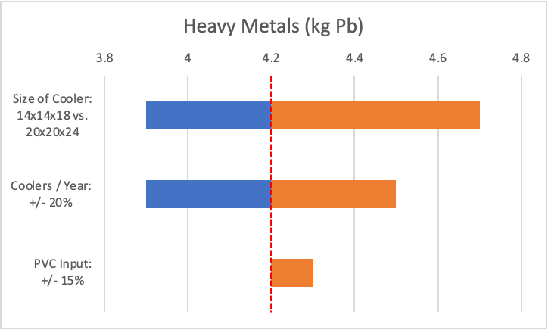
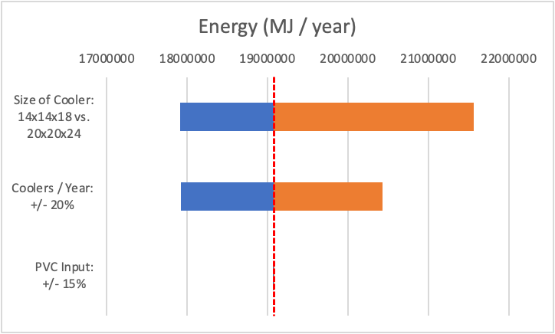
BASELINE
Summary of Findings |  |  | Summary of Findings
Description | Value | Units | Description | Value | Units
Total Energy (MJ) Used Per Year | 19077309 | MJ per year | Impact Categories | *all values are per year, assuming 3120 coolers / year
Estimated coolers produced per year | 3120 | Coolers per year | Greenhouse gases | 399,120.11 | kg of CO2
Energy (MJ) Used Per Cooler | 6114.5 | MJ per cooler | Acidification | 3,906.5 | kg of SO2
 |  |  | Eutrophication | 282.6 | kg of PO4
 |  |  | Summer Smog | 5,113.2 | kg of C2H4
 |  |  | Heavy Metals | 4.2 | kg of Pb

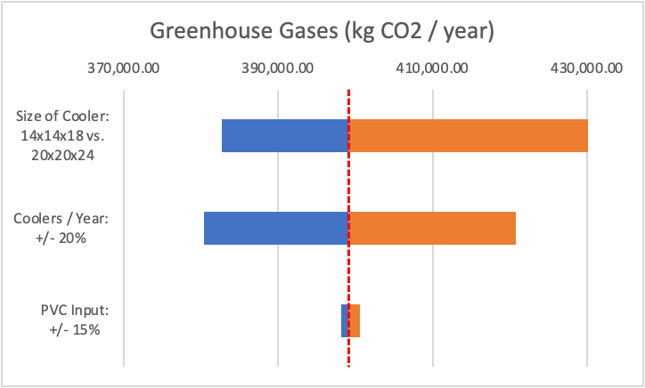
Increase cooler output by 20% --> 3744 coolers / year |  |  | Decrease cooler output by 20% - 2496 coolers / year
Summary of Findings |  |  | Summary of Findings |  |  |  | Energy (MJ)
Description | Value | Units | Description | Value | Units |  | Low | High
Total Energy (MJ) Used Per Year | 20429497 | MJ per year | Total Energy (MJ) Used Per Year | 17922844 | MJ per year | Coolers / Year | 17922844 | 20429497
Estimated coolers produced per year | 3744 | Coolers per year | Estimated coolers produced per year | 2496 | Coolers per year | Size of Cooler | 17917901 | 21565668
Energy (MJ) Used Per Cooler | 5456.6 | MJ per cooler | Energy (MJ) Used Per Cooler | 7180.6 | MJ per cooler | PVC Input | 19076541 | 19078077

Summary of Findings |  |  | Summary of Findings |  |  |  | Greenhouse Gases (kg CO2)
Description | Value | Units | Description | Value | Units |  | Low | High
Impact Categories | *all values are per year, assuming 3744 coolers / year |  | Impact Categories | *all values are per year, assuming 2496 / year |  | Coolers / Year | 380,398.78 | 420,707.45
Greenhouse gases | 420,707.45 | kg of CO2 | Greenhouse gases | 380,398.78 | kg of CO2 | Size of Cooler | 382,675.33 | 433,723.37
Acidification | 4,080.8 | kg of SO2 | Acidification | 3,754.9 | kg of SO2 | PVC Input | 398,110.35 | 400,526.64
Eutrophication | 309.5 | kg of PO4 | Eutrophication | 257.7 | kg of PO4
Summer Smog | 7,178.0 | kg of C2H4 | Summer Smog | 3,421.9 | kg of C2H4 |  | Acidification (kg SO2)
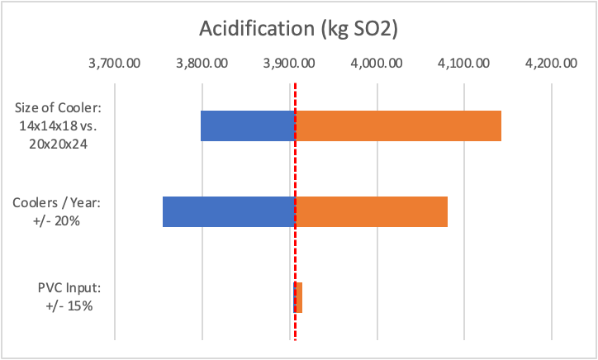
Heavy Metals | 4.5 | kg of Pb | Heavy Metals | 3.9 | kg of Pb |  | Low | High
 |  |  |  |  |  | Coolers / Year | 3,754.9 | 4,080.8
 |  |  |  |  |  | Size of Cooler | 3,798.1 | 4,141.8
Increase size of cooler to 20x20x24 |  |  | Decrease size of cooler to 14x14x18 |  |  | PVC Input | 3,903.7 | 3,914.7
Summary of Findings |  |  | Summary of Findings
Description | Value | Units | Description | Value | Units |  | Eutrophication (kg PO4)
Total Energy (MJ) Used Per Year | 21565668 | MJ per year | Total Energy (MJ) Used Per Year | 17917901 | MJ per year |  | Low | High
Estimated coolers produced per year | 3120 | Coolers per year | Estimated coolers produced per year | 3120 | Coolers per year | Coolers / Year | 257.7 | 309.5
Energy (MJ) Used Per Cooler | 6912.1 | MJ per cooler | Energy (MJ) Used Per Cooler | 5742.9 | MJ per cooler | Size of Cooler | 270.8 | 307.5
 |  |  |  |  |  | PVC Input | 282.1 | 283.3
Summary of Findings |  |  | Summary of Findings
Description | Value | Units | Description | Value | Units |  | Summer smog (kg C2H4)
Impact Categories | *all values are per year, assuming 3120 coolers / year |  | Impact Categories | *all values are per year, assuming 3120 coolers / year |  |  | Low | High
Greenhouse gases | 433,723.37 | kg of CO2 | Greenhouse gases | 382,675.33 | kg of CO2 | Coolers / Year | 3,421.9 | 7,178.0
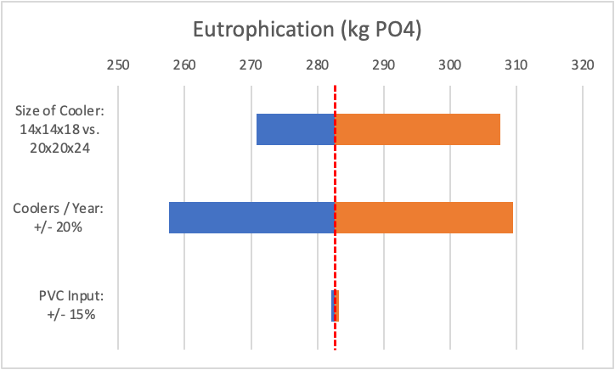
Acidification | 4,141.8 | kg of SO2 | Acidification | 3,798.1 | kg of SO2 | Size of Cooler | 2,923.7 | 9,812.6
Eutrophication | 307.5 | kg of PO4 | Eutrophication | 270.8 | kg of PO4 | PVC Input | 5,112.0 | 5,114.4
Summer Smog | 9,812.6 | kg of C2H4 | Summer Smog | 2,923.7 | kg of C2H4
Heavy Metals | 4.7 | kg of Pb | Heavy Metals | 3.9 | kg of Pb |  | Heavy metals (kg Pb)
 |  |  |  |  |  |  | Low | High
 |  |  |  |  |  | Coolers / Year | 3.9 | 4.5
Increase PVC needed by 15% |  |  | Decrease PVC needed by 15% |  |  | Size of Cooler | 3.9 | 4.7
Summary of Findings |  |  | Summary of Findings |  |  | PVC Input | 4.2 | 4.3
Description | Value | Units | Description | Value | Units
Total Energy (MJ) Used Per Year | 19078077 | MJ per year | Total Energy (MJ) Used Per Year | 19076541 | MJ per year
Estimated coolers produced per year | 3120 | Coolers per year | Estimated coolers produced per year | 3120 | Coolers per year
Energy (MJ) Used Per Cooler | 6114.8 | MJ per cooler | Energy (MJ) Used Per Cooler | 6114.3 | MJ per cooler
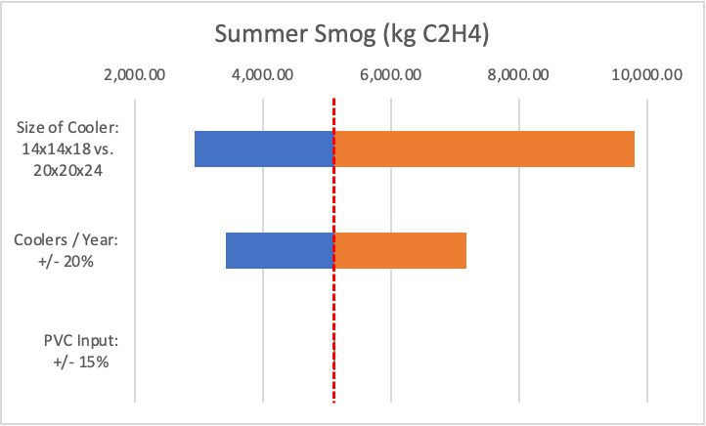
Summary of Findings |  |  | Summary of Findings
Description | Value | Units | Description | Value | Units
Impact Categories | *all values are per year, assuming 3120 coolers / year |  | Impact Categories | *all values are per year, assuming 3120 coolers / year
Greenhouse gases | 400,526.64 | kg of CO2 | Greenhouse gases | 398,110.35 | kg of CO2
Acidification | 3,914.7 | kg of SO2 | Acidification | 3,903.7 | kg of SO2
Eutrophication | 283.3 | kg of PO4 | Eutrophication | 282.1 | kg of PO4
Summer Smog | 5,114.4 | kg of C2H4 | Summer Smog | 5,112.0 | kg of C2H4
Heavy Metals | 4.3 | kg of Pb | Heavy Metals | 4.2 | kg of Pb

EPS
EPS and Fortuna Comparison by Impact Category
 |  |  |  | Percentage Difference
 |  |  |  | Description | EPS / Fortuna | EPS/EPS | Notes
 |  |  |  | Impact Categories | EPS | Fortuna
 |  |  |  | Greenhouse gases | 23.66 | 1.00
 |  |  |  | Acidification | 0.45 | 1.00
 |  |  |  | Eutrophication | 0.28 | 1.00
 |  |  |  | Summer Smog | 1.01 | 1.00
 |  |  |  | Heavy Metals | 0.14 | 1.00

Raw Material Acquisition - 3120 Fortuna Coolers / year |  |  |  | Raw Material Acquisition - 81,120 EPS Coolers / year
Description | Value | Units | Notes | Description | Value | Units | Notes
Impact Categories |  |  |  | Impact Categories
Greenhouse gases | 14,842.72 | kg of CO2 |  | Greenhouse gases | 351,154.77 | kg of CO2
Acidification | 2,907.93 | kg of SO2 |  | Acidification | 1,294.36 | kg of SO2
Eutrophication | 400.00 | kg of PO4 |  | Eutrophication | 110.14 | kg of PO4
Summer Smog | 268.48 | kg of C2H4 |  | Summer Smog | 272.06 | kg of C2H4
Heavy Metals | 0.52 | kg of Pb |  | Heavy Metals | 0.08 | kg of Pb

 |  |  |  | According to Mega Packaging Corporation,
 |  |  |  | they currently manufacture and sell a Fish Pack with the following specification:
 |  |  |  | Length | 23 | in
 |  |  |  | Width | 16 | in
 |  |  |  | Depth | 17.75 | in
 |  |  |  | Thickness | 1.5 | in | (rough estimate)
 |  |  |  | Volume of the Body | 2453.25 | in3
 |  |  |  | Volume of the Cover | 552 | in3
 |  |  |  | Density | 30 | kg / m3
 |  |  |  | Weight of the Body | 1.2060 | kg
 |  |  |  | Weight of the Cover | 0.2714 | kg

 |  |  |  | From Sima Pro,
 |  |  |  | Greenhouse gases | 2.93 | kg of CO2 | per kg of EPS
 |  |  |  | Acidification | 0.0108 | kg of SO2 | per kg of EPS
 |  |  |  | Eutrophication | 0.000919 | kg of PO4 | per kg of EPS
 |  |  |  | Summer Smog | 0.00227 | kg of C2H4 | per kg of EPS
 |  |  |  | Heavy Metals | 0.000000629 | kg of Pb | per kg of EPS

 |  |  |  | If we consider the useful life of Fortuna vs EPS cooler, we know that:
 |  |  |  | Fortuna = 1 year
 |  |  |  | EPS = 2 weeks
 |  |  |  | So, in 1 year, we would have 1 Fortuna Cooler vs 26 EPS Cooler

 |  |  |  | Number of EPS Cooler | 81120
 |  |  |  | Weight of the Body | 97834.5280 | kg
 |  |  |  | Weight of the Cover | 22013.5165 | kg
 |  |  |  | Total Weight | 119848.0445 | kg

Impact Data Vis
Total Impact Per Year (assuming 3120 coolers per year)
Greenhouse Gas Impact by Life Cycle Activity

Total Impact
Greenhouse gases (CO2) | 398,485.46 | Greenhouse Gases
Acidification (SO2) | 6,647.8 | Raw Material Acq. | 14,842.72
Eutrophication (PO4) | 613.5 | Coconuts to Juboken | 30863.85754
Summer Smog (C2H4) | 5,361.5 | Material Processing | 50420.42416
Heavy Metals (Pb) | 4.2 | Glue, liner, webbing to factory | 16218.44834
 |  | Manufacturing | 103266.5222
 |  | Transport to Manila | 182847.0007
 |  | Assembly in Manila | 0
 |  | Transport to customer | 26.47782851

Total Impact Per Fortuna Cooler
Total Impact Per Cooler
Greenhouse gases (CO2) | 127.7197
Acidification (SO2) | 2.1307
Eutrophication (PO4) | 0.1966
Summer Smog (C2H4) | 1.7184
Acidification Impact by Life Cycle Activity
Heavy Metals (Pb) | 0.0014
 |  | Acidification
 |  | Raw Material Acq. | 2,907.93
 |  | Coconuts to Juboken | 216.1044773
 |  | Material Processing | 698.5682085
 |  | Glue, liner, webbing to factory | 113.5546608
 |  | Manufacturing | 1431.172829
 |  | Transport to Manila | 1280.269502
 |  | Assembly in Manila | 0
 |  | Transport to customer | 0.1853941065

Eutrophication Impact by Life Cycle Activity

 |  | Eutrophication
 |  | Raw Material Acq. | 400.00
 |  | Coconuts to Juboken | 23.10478721
 |  | Material Processing | 13.55698507
 |  | Glue, liner, webbing to factory | 12.14067653
 |  | Manufacturing | 27.7598178
 |  | Transport to Manila | 136.8798777
 |  | Assembly in Manila | 0
 |  | Transport to customer | 0.01982139117

Summer Smog Impact by Life Cycle Activity
 |  | Summer Smog
 |  | Raw Material Acq. | 268.48
 |  | Coconuts to Juboken | 64.37154644
 |  | Material Processing | 4603.859958
 |  | Glue, liner, webbing to factory | 33.82410662
 |  | Manufacturing | 9.586390414
 |  | Transport to Manila | 381.3568731
 |  | Assembly in Manila | 0
 |  | Transport to customer | 0.0552237764

Heavy Metals Impact by Life Cycle Activity
 |  | Heavy Metals
 |  | Raw Material Acq. | 0.52
 |  | Coconuts to Juboken | 0.3850797868
 |  | Material Processing | 0.2697840485
 |  | Glue, liner, webbing to factory | 0.2023357746
 |  | Manufacturing | 0.5527288166
 |  | Transport to Manila | 2.281331294
 |  | Assembly in Manila | 0
 |  | Transport to customer | 0.0003303565196

PF Diagram
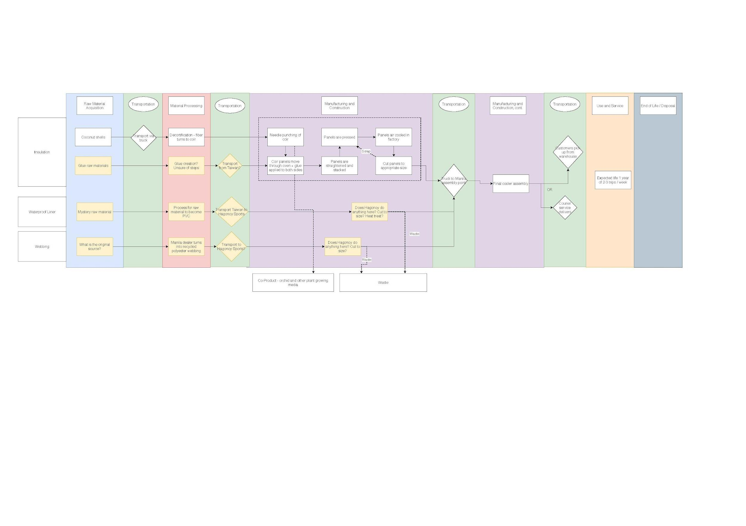

Raw Data
Data Acquistion |  | Pull from simapro:
 |  | energy of coconut husk, Electricity grid LCI, polyvinyl acetate, polyester (webbing), nylon (thread)
1. Coconut Fiber
 | 1.1 Machines
 |  | 1.1.0 Fuel
 |  |  | Energy from Combusted Material | = | 150 | kg of agri. waste / day | (incl. pili nut shell waste from candy factories, coconut leaves waste)
 |  | 1.1.1 Decortitating
 |  |  | Operating Energy | = | 22.37 | kW
 |  |  | Input | = | 20000 | husks/day
 |  |  | Frequency | = | 6 | days/week
 |  | 1.1.2 Stitch Fiber and Heat Press
 |  |  | Operating Energy | = | 67.11 | kW
 |  |  | Output | = | 200 | m2/hr | *
 |  |  | Frequency | = | 2 | days/week
 |  | 1.1.3 Cutting
 |  |  | Operating Energy | = | 1.491 | kW
 |  |  | Frequency | = | 2 | days/week
 |  | 1.1.4 Final Output
 |  |  | Produced | = | 100 | m2 of single layer/day | *Note that a Fortuna Cooler has a four-layer coir.
 |  | 1.1.5 Electricty Bill
 |  |  | Minimum | = | 1000 | dollars / month
 |  |  | Maximum | = | 1800 | dollars / month
 |  |  | Energy Unit Cost | = | 0.2 | dollars / kWh
 | 1.2 Transportation: Local
 |  |  | One-way Distance | = | 20 | km
 |  |  | Fuel | = | 150 | liters of diesel / day
 |  |  | Load | = | 12000 | coconut husks / day
 |  |  | Truck Load | = | 2000 | coconut husks / truck
 |  |  | Number of Daily Filled Trucks | = | 6 | truck load / day
 | 1.3 Transportation to Manila
 |  |  | Frequency | = | 1 | time / week
 |  |  | Fuel | = | 60 | diesel per trip
 |  |  | One-way Distance | = | 500 | km
 |  |  | Weight | = | 15 | tons / truck
 |  |  | Number of Trucks | = | 2

2. Binding Agent - Synthetic
 |  |  | Usage | = | 400 | liters per week

3. Liner and Webbing
 |  |  | Machines used | Sewing machine: 250 W, 15 min/liner Heat press: 5KW, 30min/liner
 |  |  | Working hours | 8am - 5pm with 1.5 hours break

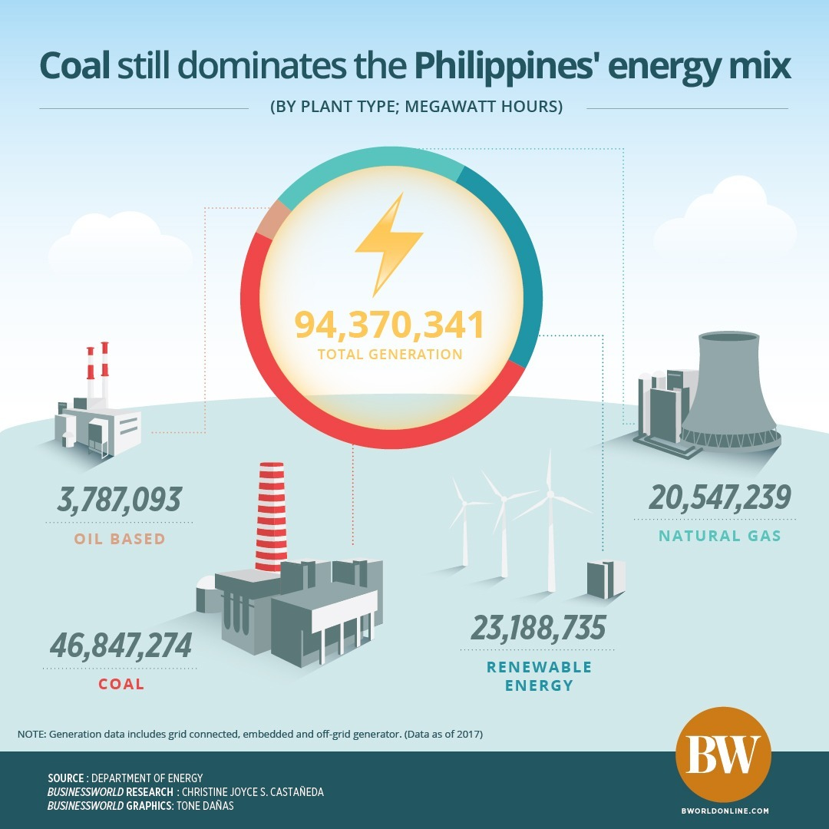
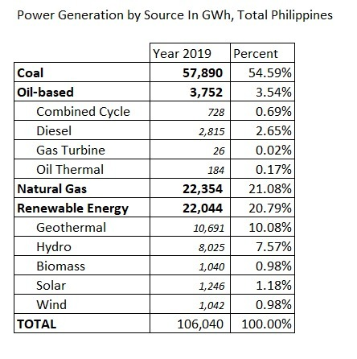

 |  |  |  |  |  |  |  | From SimaPro - PH electricity grid
 |  |  |  |  |  |  |  | 3.6 | MJ input
 |  |  |  |  |  |  |  | 1 | kWh output

 |  |  |  |  |  |  |  | PH grid emissions factors in Analysis -> PH Electricity LCI -> Phillipine Electricity Mix.pptx

Source (?) |  |  |  |  | https://www.doe.gov.ph/sites/default/files/pdf/energy_statistics/2019_power_statistic_01_summary.pdf

